III-0
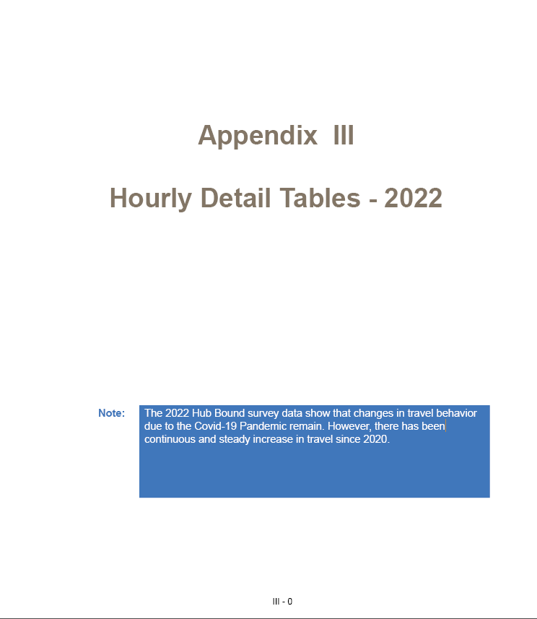
 | ABBREVIATIONS | EXPANSIONS
1 | BMT | Brooklyn Manhattan Tunnel
2 | CBD | Central Business District. Also called Hub in this report.
3 | HLT/HCT | Hugh L. Carrey Tunnel
4 | LTHT | Lincoln Tunnel and Holland Tunnel
5 | MTA Bus Co. | Metropolitan Transportation Authority Bus Company
6 | MTA LIRR | Metropolitan Transportation Authority Long Island Rail Road
7 | MTA MNR | Metropolitan Transporation Authority Metro North Rail
8 | MTA NYCT | Metropolitan Transportatin Authority New York City Transit
9 | N. E. Corridor | North East Corridor
10 | NEC / NJCL | North East Corridor / North Jersey Coast Line
11 | NJTPA | North Jersey Transportation Planning Authority
12 | NYCDOT | New York City Department of Transportation
13 | PANY&NJ | Port Authority of New York and New Jersey
14 | PATH | Port Authority Trans-Hudson (Rail)
15 | QBB | Queensboro Bridge
16 | SED | Socio-Economic Demographics
17 | SI | Staten Island
18 | WCDOT | Westchester County Department of Transportation

